Sheet2
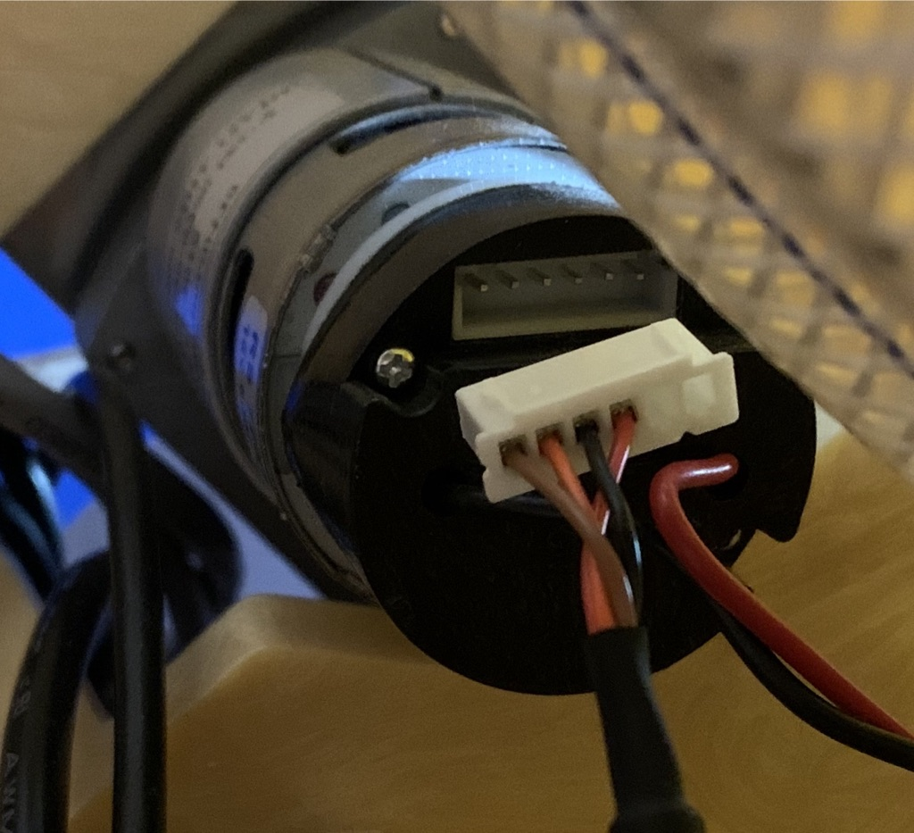
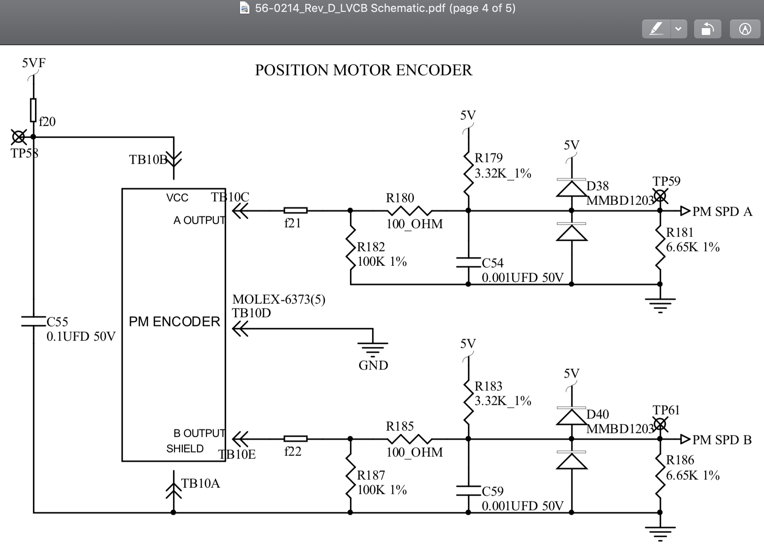
 |  |  |  |  |  |  |  |  |  |  |  |  |  | Left edge of LVCB

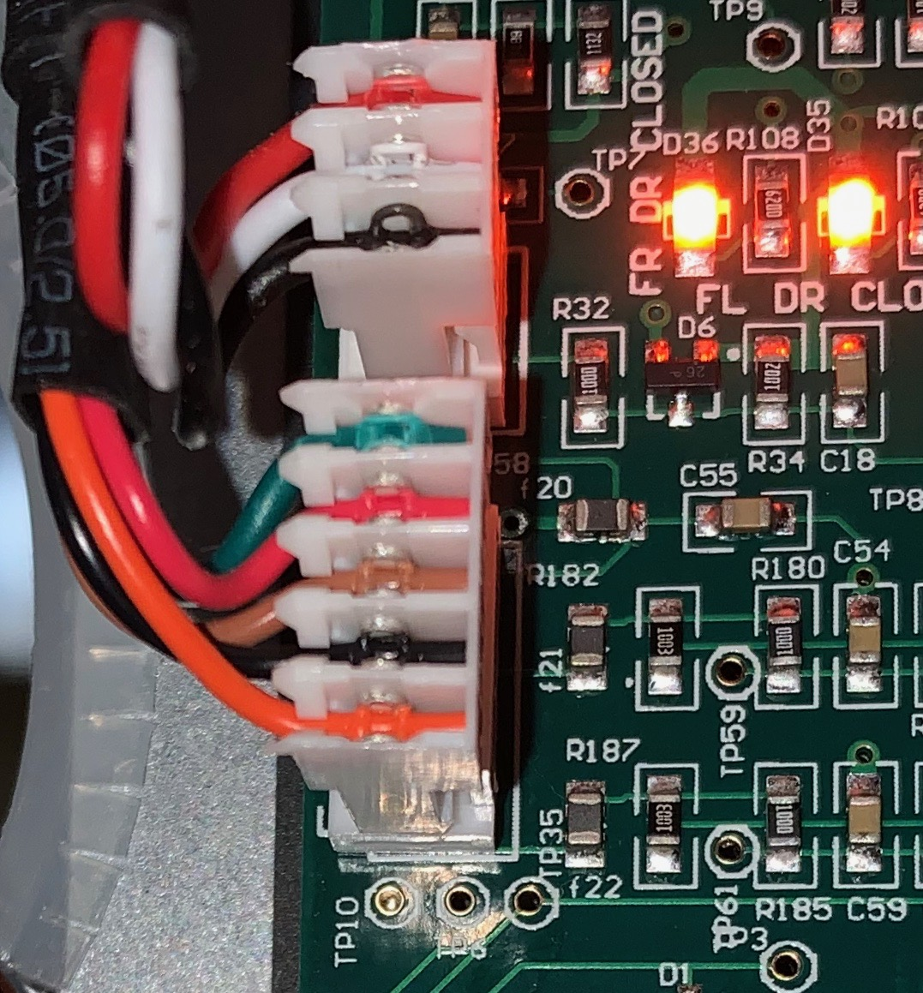
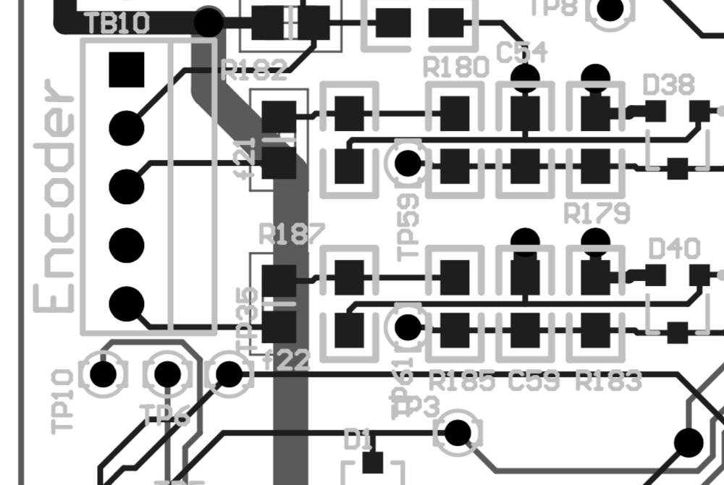
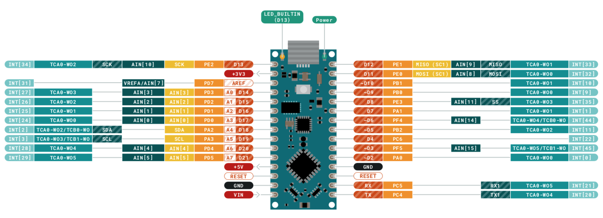

 |  |  |  |  |  |  |  |  |  |  |  | 1 | SHIELD

 |  |  |  |  |  |  |  |  |  |  |  | 2 | 5VF
 |  |  |  |  |  |  |  |  |  |  | Encoder OUTPUT Channel B
 |  |  |  |  |  |  |  |  |  |  | Encoder OUTPUT Channel A
 |  |  |  |  |  |  |  |  |  |  | Encoder Input Channel B
 |  |  |  |  |  |  |  |  |  |  | Encoder Input Channel A | 3 | CHN A

 |  |  |  |  |  |  |  |  | OLED DATA |  |  | 4 | GND
 |  |  |  |  |  |  |  |  | OLED CLOCK

 |  |  |  |  |  |  |  |  | Voltage Monitor (1/2 VIN) |  | Button
 |  |  |  |  |  |  |  |  |  |  | GND to breadboard | 5 | CHN B

 |  |  |  |  |  |  |  |  | Vin to 5V breadboard

The blender encoders need the internal pull-up on the |  |  |  |  | PRODUCTION PM TACH CABLE
Arduino to be enabled to drive a signal. |  |  |  |  | BRN | ORG | BLK | RED |  | https://www.arduino.cc/en/Guide/NANOEvery
 |  |  |  |  |  |  |  | 5VF |  | The microcontroller on the Arduino NANO Every runs at 5V and it is fully electrically compatible with the original Arduino Nano designs. The headers are mapped in the same way and it is possible to substitute any Arduino Nano board with the new Arduino Nano Every.
 |  |  |  |  | B | A | GND | VCC |  | On the software side there might be some issue with third party libraries that don't manage the pin mapping of the microcontroller; if the sketch has assembly parts inside, you should turn on the "Register Emulation" mode to emulate ATmega328P registers in the 4809 while compiling.
 |  |  |  |  |  |  |  |  |  | https://store.arduino.cc/usa/nano-every-pack
 |  |  |  |  |  |  |  |  | The Arduino Nano Every is based on the ATMega4809 microcontroller.

ALTERNATE FOR TESTING |  |  |  |  |  |  |  |  | Microcontroller | ATMega4809 (datasheet)
 | WHT | RED | GRN | - | BLK |  |  |  | Operating Voltage | 5V
 | A | 5V | B |  | Ground |  |  |  | Input Voltage (limit) | 21V
 |  |  |  |  |  |  |  |  | DC Current per I/O Pin | 20 mA
 | WHT | RED | PUR |  | GRN |  |  |  | DC Current for 3.3V Pin | 50 mA
 | A | 5V | B |  | Ground |  |  |  | Clock Speed | 20MHz
 |  |  |  |  |  |  |  |  | CPU Flash Memory | 48KB (ATMega4809)
 |  |  |  |  |  |  |  |  | SRAM | 6KB (ATMega4809)
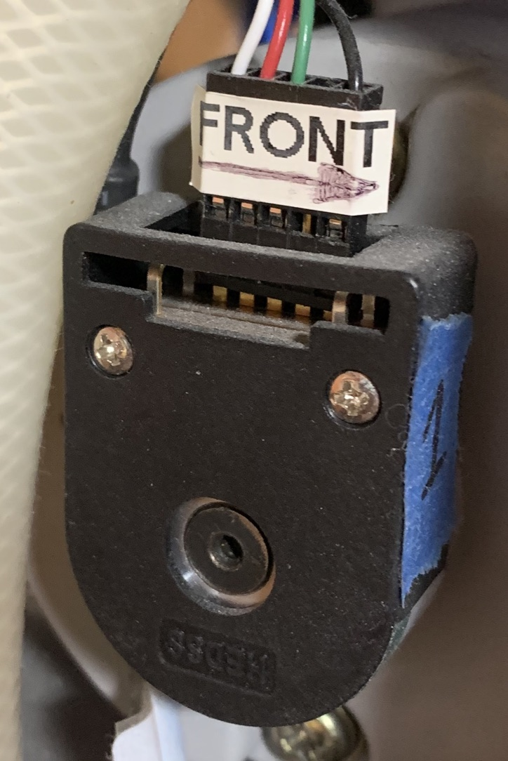
 |  |  |  |  |  |  |  |  | EEPROM | 256byte (ATMega4809)
 |  |  |  |  |  |  |  |  | PWM Pins | 5 (D3, D5, D6, D9, D10)
 |  |  |  |  |  |  |  |  | UART | 1
 |  |  |  |  |  |  |  |  | SPI | 1
 |  |  |  |  |  |  |  |  | I2C | 1
 |  |  |  |  |  |  |  |  | Analog Input Pins | 8 (ADC 10 bit)
 |  |  |  |  |  |  |  |  | Analog Output Pins | Only through PWM (no DAC)
 |  |  |  |  |  |  |  |  | External Interrupts | all digital pins
 |  |  |  |  |  |  |  |  | LED_BUILTIN | 13
 |  |  |  |  |  |  |  |  | USB | Uses the ATSAMD11D14A (datasheet)
 |  |  |  |  |  |  |  |  | Length | 45 mm
 |  |  |  |  |  |  |  |  | Width | 18 mm
 |  |  |  |  |  |  |  |  | Weight | 5 gr (with headers)

